How to complete the GT166
How to complete the GT166 Final Checklist

 | Note: This section of the form must be completed during the final GT166 submission phase

 |  | 1 | Closely evaluate each item located under the "GT166 Final Checklist" tab before submitting
 |  | 2 | When each item has been finalized, the submitter must sign with their name and date of completion

How to complete the GT166

 | Note: Buyer will provide data with **; Supplier must provide data with *
 | Step 1

 |  |  |  | **You will need the PO PDF copy
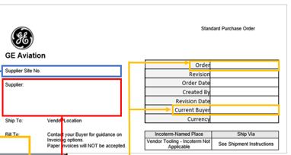

 | Step 2

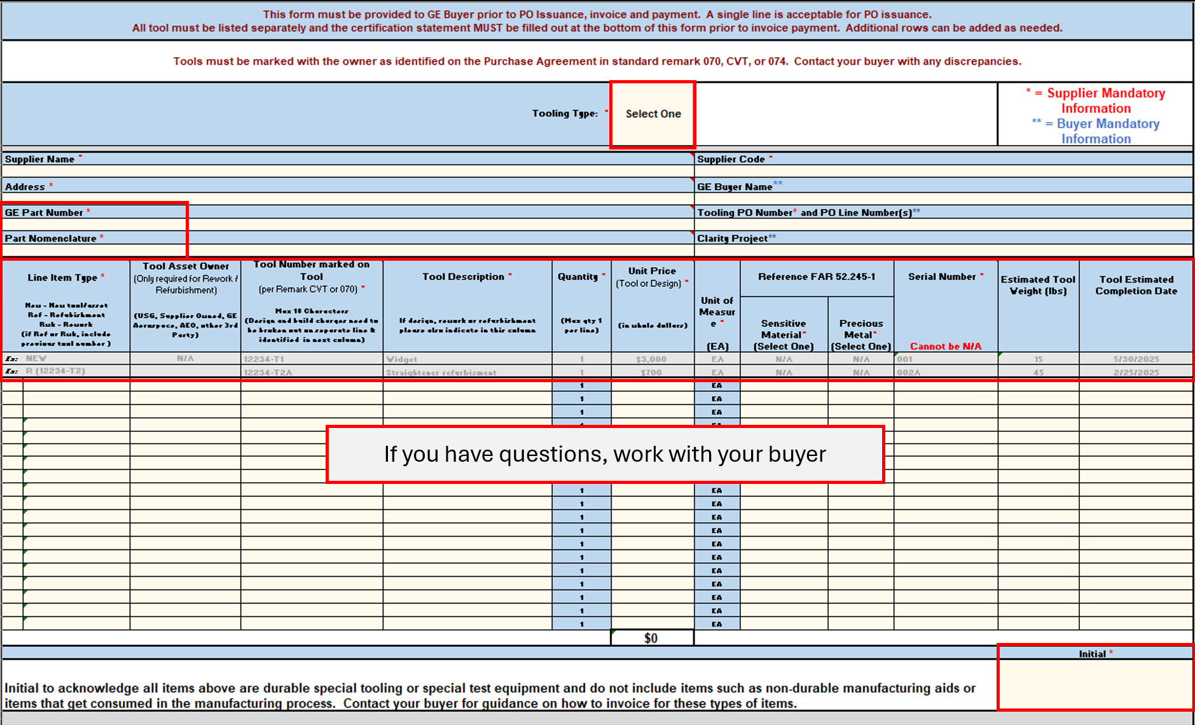

 | Notes:
 | 1 | Tool number must be marked on tool. If design or modify tool charges exist, they must be separated from build and annotated on a separate line.
 | 2 | Each tool must have a separate line. If more than 1 tool with the same number exists, put on separate line with a unique serial number
 | 2.a | If line is for "Initial GT166"- in parenthesis ( ) add what the scope of tools are with estimated Qty
 | 3 | Sensitive Material and Precious Metal are defined in FAR 52.245-1. Values are in drop down list within the cells. These values are not required for design lines.
 | 4 | Provide unique SN for each tool number once identified. Serial number can be the same as Tool Number is there is one tool. If multiple parts under the same tool number, indicate in the SN column. SN must be marked on tool. SN is not required for design lines.

 | 5 | Provide Tool Estimated Completion date of build if known. The estimation is to be provided on the intial GT166; date needs to remain the same final GT166 submission.
 | 6 | When submitting photos, show the tool and a close up of the tool marking clearly showing tool number, ownership, and serial number if applicable.

 | Step 3

 | Step 4
 | Make sure all the MANDATORY * cells are filled and enter Name of Supplier's representative certifying data on this form and submit to Buyer.

